Capacity Factor
Calculating Your Capacity Factor

 | Your system's capacity factor is the ratio of its actual output to its potential output if it were to operate at full nameplate capacity indefinitely.

 | Since the sun doesn't shine 24 hours a day and since some energy is lost when converting from direct current (DC) to alternating current (AC), your system's capacity factor will typically be between 12% and 14%.

STEP 1 |  | Run a PVWatts report at http://pvwatts.nrel.gov/ with your system's specifications.

 | DC System Size (kW)
 | Module Type (Standard, Premium or Thin Film)
 | Array Type (Fixed Open or Roof, 1-Axis or 2-Axis Tracking)
 | System Losses % (Soiling, Shading, Mismatch, Wiring, etc.)
 | Array Tilt / Slope (degrees)
 | Array Azimuth / Orentation (degrees)
 | DC to AC Size Ratio
 | Inverter Efficiency
 | Ground Coverage Ratio

STEP 2 |  | Enter the kWh and system size in shaded cells below

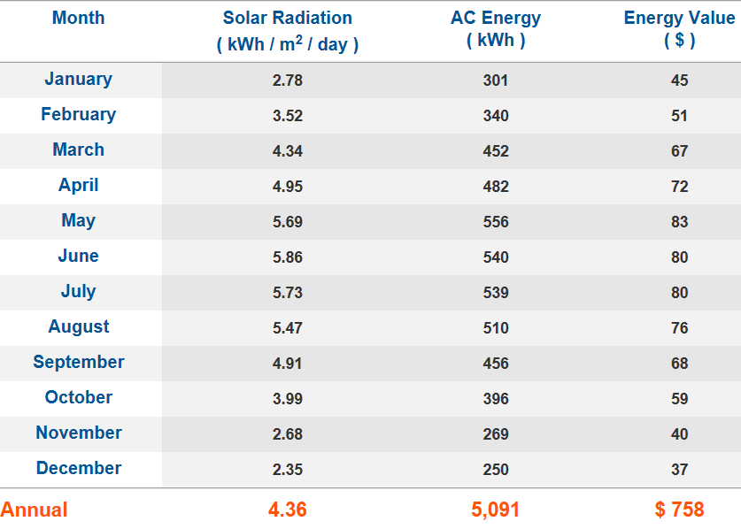

 |  | * Displayed PVWatts kWh is only an example.

 |  | Total kWh | 122,640 kWh

 |  | System Size | 100.0 kWDC

 |  | Capacity Factor | 14.0%

 | STEP 3 | Enter your capacity factor in the Loan Calculator

